Sheet1
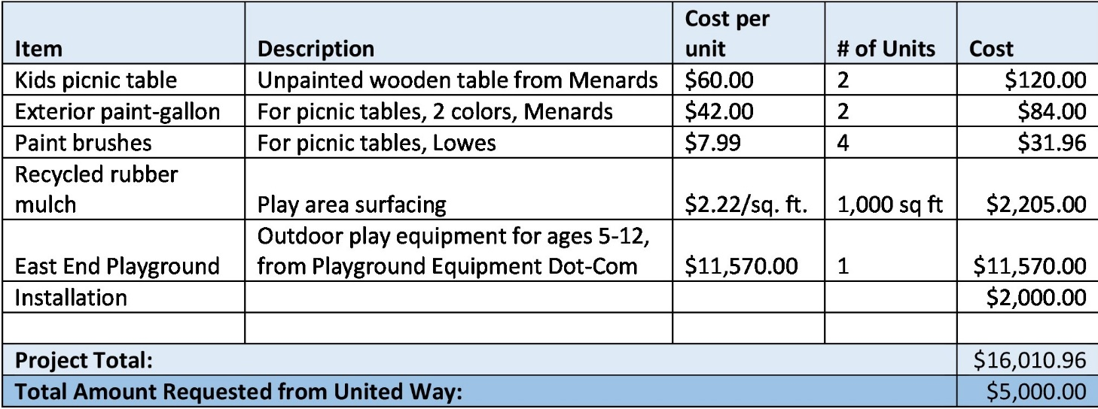
United Way Mini-Grant Project Budget Template

Item | Description | Cost per unit | # of Units | Cost
 |  |  |  | 0
 |  |  |  | 0
 |  |  |  | 0
 |  |  |  | 0
 |  |  |  | 0
 |  |  |  | 0
 |  |  |  | 0
 |  |  |  | 0
 |  |  |  | 0
 |  |  |  | 0
 |  |  |  | 0
 |  |  |  | 0
 |  |  |  | 0
 |  |  |  | 0
Project Total: |  |  |  | 0
Total Amount Requested From United Way:

Sample Budget

